Sheet1
 | Applied statistics

 |  |  |  |  |  |  | N

 |  | n | no of trial |  |  | 100
 |  | k | no of success |  |  | 5
 |  | p | probability of single question |  |  | 0.17

 |  |  | Binomisl distribution |  | 0.00021947566529

 |  | n | semple size |  |  | 5
 |  | k | no of success in semple |  |  | 2
 |  | N | population size |  |  | 52
 |  | k | No.of success in population |  |  | 13

 |  |  |  | Hypgneon distribution |  | 0.27427971188

 |  | n | no of tquestion |  |  | 10
 |  | k | no of success |  |  | 4
 |  | p | probability of single question |  |  | 0.25

 |  |  | Binomisl distribution |  | 0.1459980011

 |  | N | population size |  |  | 60
 |  | k | No.of success in population |  |  | 20
 |  | n | semple size |  |  | 3
 |  | k | no of success in semple |  |  | 3

 |  |  |  | Hypgneon distribution |  | 0.033313851549

 |  | n | no of tquestion |  |  | 10
 |  | p(x) |  |  |  | 3
 |  | p | probability of single question |  |  | 0.3

 |  |  |  | Binomisl distribution |  | 0.266827932

 |  | (μ) | 165
 |  | (σ) | 10
 |  | (x) | 180

 |  |  |  | P(x>180) | 0.93319279873

 |  | (μ) | 5

 |  | (x) | 3
 |  |  |  |  | 0.45118836391

 |  | (μ) | 1000
 |  | (σ) | 100
 |  | x1 | 900
 |  | x2 | 1100

 |  | for the lower limit |  | 0.15865525393

 |  | for the upper limit |  | 0.84134474607

 |  | finally probability |  | -0.68268949214

 |  | 0.2

 |  | (μ) | 20
 |  | x | 15

 |  |  | 0.52763344726

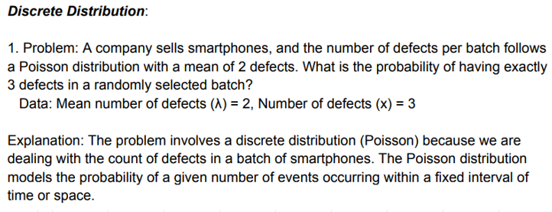

 |  | (λ) | 2
 |  | x | 3

 |  | 0.18044704432



 |  | P | 0.3
 |  | n | 10
 |  | X | 3

 |  |  | 0.266827932

 |  | n | 3
 |  | not understend

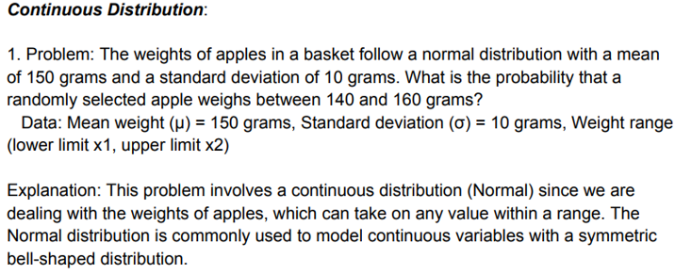
 |  | (μ) | 150
 |  | (σ) | 10
 |  | x1 | 140
 |  | x2 | 160

 |  | lower limits |  | 0.15865525393

 |  | uper limits |  | 0.84134474607

 |  | finally probability |  | -0.68268949214



 |  | (μ) | 1000
 |  | x | 900

 |  |  | 0.59343034026

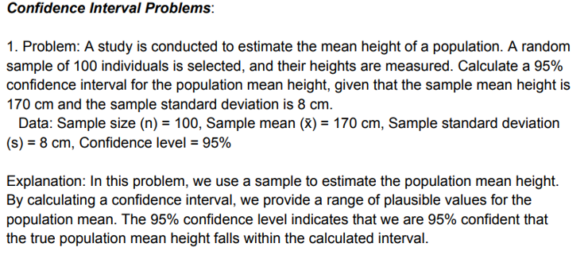
n
(x̄) |  | n |  | 100
s |  | (x̄) |  | 170
Confidence level |  | s |  | 8
 |  | Confidence level |  | 95%

 |  |  | 0.050165422355

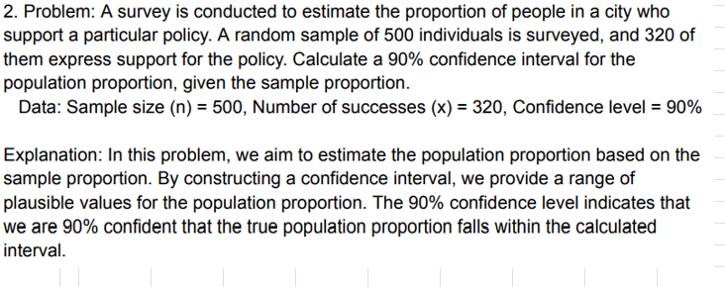
 |  | n |  | 500
 |  | x |  | 320
 |  | s |  | 127.2792
 |  | Confidence level |  | 90%

 |  |  |  | 0.71527680999

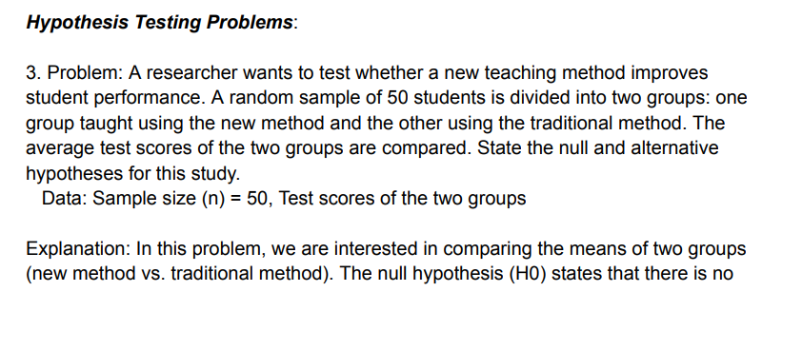

 |  |  | n | 50

 |  |  | The null hypothesis(HD) |  |  | states that there is no significant difference between the average scoe between group using new teaching method and group using tradition methods

 |  |  | Alternative hypothesis(HA) |  |  | suggests that nw teaching method improve average test score compare to traditional methods

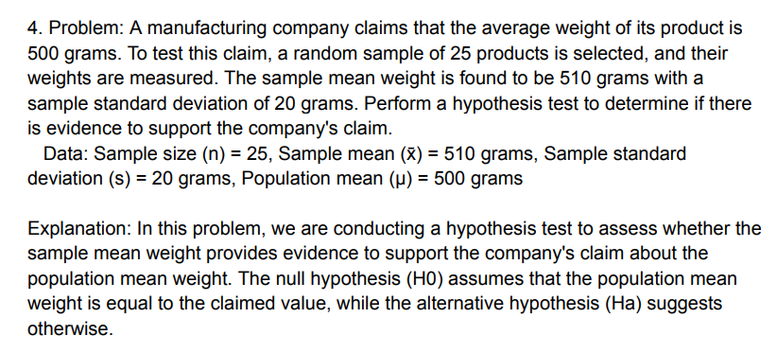
 |  |  | n | 25
 |  |  | (x̄) | 510
 |  |  | s | 20
 |  |  | (μ) | 500

